NB
PHOTO | RRP | WH | Model | Style | Description | 4 | 4.5 | 5 | 5.5 | 6 | 6.5 | 7 | 7.5 | 8 | 8.5 | 9 | 9.5 | 10 | 10.5 | 11 | 11.5 | 12 | 13 | 14 | Total
 | € 140.00 | € 70.00 | 878 | CM878JS1 | 878 |  | 19 | 19 | 58 | 50 | 37 | 28 | 10 |  |  |  |  |  |  |  |  |  |  |  | 221
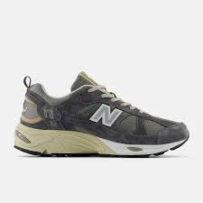 | € 140.00 | € 70.00 | 878 | CM878MG1 | 878 | 7 | 10 | 24 | 20 | 24 | 32 | 55 | 32 | 23 | 58 | 66 | 51 | 51 | 89 | 44 | 31 | 40 | 20 |  | 670
 | € 140.00 | € 70.00 | 878 | CM878MT1 | 878 | 7 | 8 | 0 | 14 | 17 | 18 | 17 | 8 | 102 | 175 | 179 | 291 | 151 | 112 | 64 | 31 | 44 | 0 | 2 | 1233
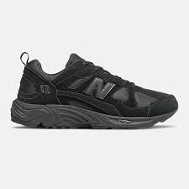 | € 140.00 | € 70.00 | 878 | CM878XL | 878 |  |  |  |  |  |  |  |  | 3 | 18 | 38 | 52 | 51 | 44 | 42 | 5 | 27 | 20 |  | 300
 |  |  |  |  |  |  |  |  |  |  |  |  |  |  |  |  |  |  |  |  |  |  |  |  | 2424

